EU Ind. Sector - EPS Crosswalk
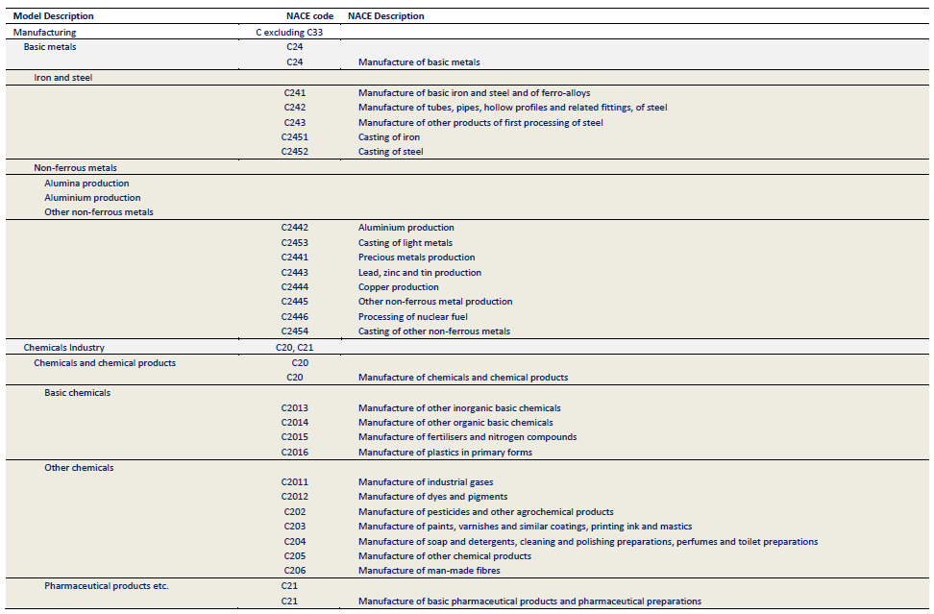
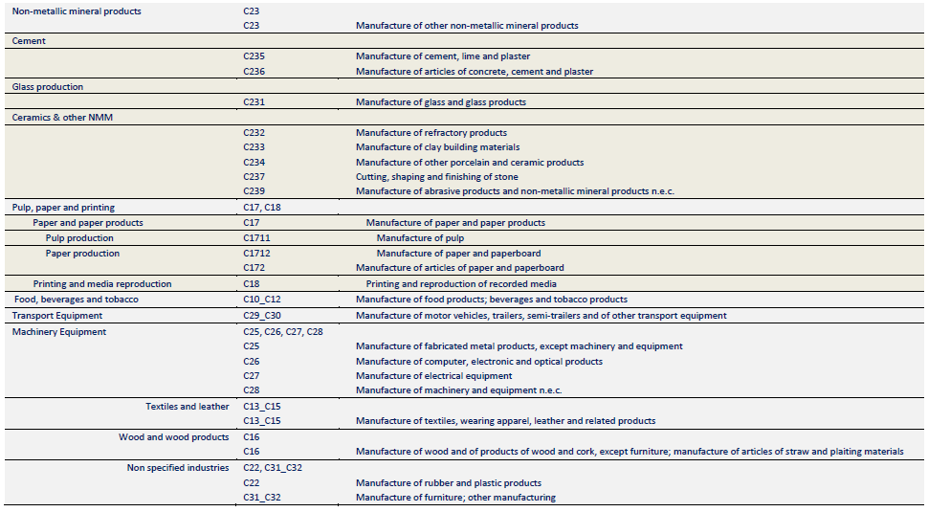
Fully Disaggregated Industry Categories

Eurostat Energy Balance Category (with historical data) | Relevant POTEnCIA File (with projections out to 2050) | EPS Industry Sector Category | Notes
Agriculture (FC_OTH_AF_E) | File: Central_2018_EU28_ter_det_yearly, Sheet: AGR | agriculture and forestry 01T03
Coal Mining (NRG_CM_E) | File: Central_2018_EU28_bal_yearly, Sheet: cenpren | coal mining 05 | POTEnCIA category is not disaggregated exactly the same way; use disaggregated Eurostat data for 'coal mining' and 'oil and gas extraction' to calculate the fuel split and apply this to the aggregated numbers of the Potencia scenario.
Oil and Natural Gas Extraction Plants (NRG_OIL_NG_E) | File: Central_2018_EU28_bal_yearly, Sheet: cenpren | oil and gas extraction 06 | POTEnCIA category is not disaggregated exactly the same way; use disaggregated Eurostat data for 'coal mining' and 'oil and gas extraction' to calculate the fuel split and apply this to the aggregated numbers of the Potencia scenario.
Mining and Quarrying (FC_IND_MQ_E) | File: Central_2018_EU28_ind_yearly, Sheet: Other Industrial Sectors | other mining and quarrying 07T08 | Use Eurostat data to calculat fuel split and apply to aggregated POTEnCIA category
Food, Beverages and Tobacco (FC_IND_FBT_E) | File: Central_2018_EU28_ind_yearly, Sheet: FBT | food beverage and tobacco 10T12
Textile and Leather (FC_IND_TL_E) | File: Central_2018_EU28_ind_yearly, Sheet: TEL | textiles apparel and leather 13T15
Wood and Wood Products (FC_IND_WP_E) | File: Central_2018_EU28_ind_yearly, Sheet: WWP | wood products 16
Pulp, Paper and Printing (FC_IND_PPP_E) | File: Central_2018_EU28_ind_yearly, Sheet: PPA | pulp paper and printing 17T18
Petroleum Refineries (NRG_PR_E), Non-energy Use in Other Sectors (NRG_OTH_NE) | File: Central_2018_EU28_bal_yearly, Sheets: cenrf; Central_2018_EU28_bal_yearly: tirf, tigw, ticl, tibg, tigl, tipf, tibr | refined petroleum and coke 19 | all transformation inputs in tirf are treated as feedstocks
Chemical and Petrochemical (FC_IND_CPC_E) | File: Central_2018_EU28_ind_yearly, Sheet: CHI; Central_2018_EU28_bal_yearly: tich | chemicals 20
Not Elsewhere Specified (FC_IND_NSP_E) | File: Central_2018_EU28_ind_yearly, Sheet: Other Industrial Sectors | rubber and plastic products 22
Non-Metallic Minerals (FC_IND_NMM_E) | File: Central_2018_EU28_bal_yearly, Sheet: gla | glass and glass products 231 | fuels used in certain end processes are not specified
Non-Metallic Minerals (FC_IND_NMM_E) | File: Central_2018_EU28_bal_yearly, Sheets: cem, cer | cement and other nonmetallic minerals 239 | fuels used in certain end processes are not specified
Iron and Steel (FC_IND_IS_E) | File: Central_2018_EU28_ind_yearly, Sheet: ISI; Central_2018_EU28_bal_yearly: tick, tock, tibf, tobf, cenisb, LOS | iron and steel 241
Non-Ferrous Metals (FC_IND_NFM_E) | File: Central_2018_EU28_ind_yearly, Sheet: NFM | other metals 242
Machinery (FC_IND_MAC_E) | File: Central_2018_EU28_ind_yearly, Sheet: MAE | metal products except machinery and vehicles 25 | lumped in with Machinery category
Machinery (FC_IND_MAC_E) | File: Central_2018_EU28_ind_yearly, Sheet: MAE | computers and electronics 26 | lumped in with Machinery category
Machinery (FC_IND_MAC_E) | File: Central_2018_EU28_ind_yearly, Sheet: MAE | appliances and electrical equipment 27 | lumped in with Machinery category
Machinery (FC_IND_MAC_E) | File: Central_2018_EU28_ind_yearly, Sheet: MAE | other machinery 28 | lumped in with Machinery category
Transport Equipment (FC_IND_TE_E) | File: Central_2018_EU28_ind_yearly, Sheet: TRE | road vehicles 29 | Could scale transport equipment fuel use by automobile manufacturing output in input-output data
Transport Equipment (FC_IND_TE_E) | File: Central_2018_EU28_ind_yearly, Sheet: TRE | nonroad vehicles 30 | Could scale transport equipment fuel use by automobile manufacturing output in input-output data
Not Elsewhere Specified (FC_IND_NSP_E) | File: Central_2018_EU28_ind_yearly, Sheet: Other Industrial Sectors | other manufacturing 31T33 | Use Eurostat data to calculat fuel split and apply to aggregated POTEnCIA category; also inlcude the non-solids non-energy consumption in the neos tab
Pipeline Transport (FC_TRA_PIPE_E) | File: Central_2018_EU28_bal_yearly, Sheet: cpi | energy pipelines and gas processing 352T353
n/a; see methodology notes in About sheet | n/a; see methodology notes in About sheet | water and waste 36T39 | non-industry sector in EU data; Not listed in Energy Balance
Construction (FC_IND_CON_E) | File: Central_2018_EU28_ind_yearly, Sheet: Other Industrial Sectors | construction 41T43 | Use Eurostat data to calculat fuel split and apply to aggregated POTEnCIA category

Aggregated Industry Categories

Notes: For aggregated industry sectors, assign aggregated values to the highlighted EPS industry sectory category. This aggregation and categorization must be consistent across all economic and industry variables.
POTEnCIA lumps coal mining, and oil and gas extraction together in its primary energy production category. However, these two industries must be broken out to ensure they are mapped to the correct cash flow entities elsewhere (e.g., spending on process emissions policies).

Eurostat Energy Balance Category (with historical data) | Relevant POTEnCIA File (with projections out to 2050) | EPS Industry Sector Categories | Web App sector name for aggregated EPS sector categories | Notes for 'Calculations' sheet
Agriculture (FC_OTH_AF_E) | File: Central_2018_EU28_ter_det_yearly, Sheet: AGR | agriculture and forestry 01T03 | Agriculture and Forestry
Food, Beverages and Tobacco (FC_IND_FBT_E) | File: Central_2018_EU28_ind_yearly, Sheet: FBT | food beverage and tobacco 10T12 | Food, Beverage and Tobacco
Textile and Leather (FC_IND_TL_E) | File: Central_2018_EU28_ind_yearly, Sheet: TEL | textiles apparel and leather 13T15 | Textiles, Apparel and Leather
Wood and Wood Products (FC_IND_WP_E) | File: Central_2018_EU28_ind_yearly, Sheet: WWP | wood products 16 | Wood Products
Pulp, Paper and Printing (FC_IND_PPP_E) | File: Central_2018_EU28_ind_yearly, Sheet: PPA | pulp paper and printing 17T18 | Pulp, Paper and Printing
Petroleum Refineries (NRG_PR_E), Non-energy Use in Other Sectors (NRG_OTH_NE) | File: Central_2018_EU28_bal_yearly, Sheets: cenrf, neos | refined petroleum and coke 19 | Refined Petroleum and Coke | Add in other non-energy use
Chemical and Petrochemical (FC_IND_CPC_E) | File: Central_2018_EU28_ind_yearly, Sheet: CHI | chemicals 20 | Chemicals | Add in non-energy use for chemicals and subtract energy for CCS
Iron and Steel (FC_IND_IS_E) | File: Central_2018_EU28_ind_yearly, Sheet: ISI | iron and steel 241 | Iron and Steel | Subtract energy for CCS
Non-Ferrous Metals (FC_IND_NFM_E) | File: Central_2018_EU28_ind_yearly, Sheet: NFM | other metals 242 | Other Metals | Subtract energy for CCS
Coal Mining (NRG_CM_E) | File: Central_2018_EU28_bal_yearly, Sheet: cenpren | coal mining 05 | Coal Mining | Disaggregate POTEnCIA category using historical Eurostat data
Oil and Natural Gas Extraction Plants (NRG_OIL_NG_E) |  | oil and gas extraction 06 | Oil and Gas Extraction | Disaggregate POTEnCIA category using historical Eurostat data
Non-Metallic Minerals (FC_IND_NMM_E) | File: Central_2018_EU28_bal_yearly, Sheet: gla | glass and glass products 231 | Glass and Glass Products
 | File: Central_2018_EU28_bal_yearly, Sheets: cem, cer | cement and other nonmetallic minerals 239 | Cement and Other Nonmetallic Minerals | Subtract energy for CCS
Pipeline Transport (FC_TRA_PIPE_E) | File: Central_2018_EU28_bal_yearly, Sheet: cpi | energy pipelines and gas processing 352T353 | Energy Pipelines and Gas Processing
Machinery (FC_IND_MAC_E) | File: Central_2018_EU28_ind_yearly, Sheet: MAE | metal products except machinery and vehicles 25 | Machinery
 |  | computers and electronics 26
 |  | appliances and electrical equipment 27
 |  | other machinery 28
Transport Equipment (FC_IND_TE_E) | File: Central_2018_EU28_ind_yearly, Sheet: TRE | road vehicles 29 | Transport Equipment
 |  | nonroad vehicles 30
Mining and Quarrying (FC_IND_MQ_E) | File: Central_2018_EU28_ind_yearly, Sheet: OIS | other mining and quarrying 07T08 | Other Industrial Sectors
Not Elsewhere Specified (FC_IND_NSP_E) |  | rubber and plastic products 22
 |  | other manufacturing 31T33
Construction (FC_IND_CON_E) |  | construction 41T43
n/a; see methodology notes in About sheet | n/a; see methodology notes in About sheet | water and waste 36T39 | Water and Waste

POTEnCIA Model Description - NACE Code Mapping

Source: JRC
https://publications.jrc.ec.europa.eu/repository/handle/JRC100638
pp. 140-141

Hydrogen Calculations
Historical Hydrogen Demand
Source | EPS Sector | 2019 Total H2 Demand (Mt/year) | 2019 Total H2 Demand (BTU/year)
On purpose (dedicated)
Fertilizers | chemicals 20 | 3 | 4.0352941176E+14 | SMR
Refineries* | refined petroleum and coke 19 | 0.5 | 6.7254901961E+13 | POx
Refineries* | refined petroleum and coke 19 | 0.6 | 8.0705882353E+13 | SMR
Dedicated production as listed in EUROSTAT** | chemicals 20 | 1.4 | 1.8831372549E+14 | SMR
Byproduct (not on purpose)
Refining |  | 2.4
Steam Crackers |  | 0.4
Chlor-alkali |  | 0.3
Chemicals (other) |  | 0.15
Others |  | -
* see Petrochemicals Europe section 4.2 for a breakdown
** third-party SMR H2 imported by refineries -- (classify production under chemicals industry)
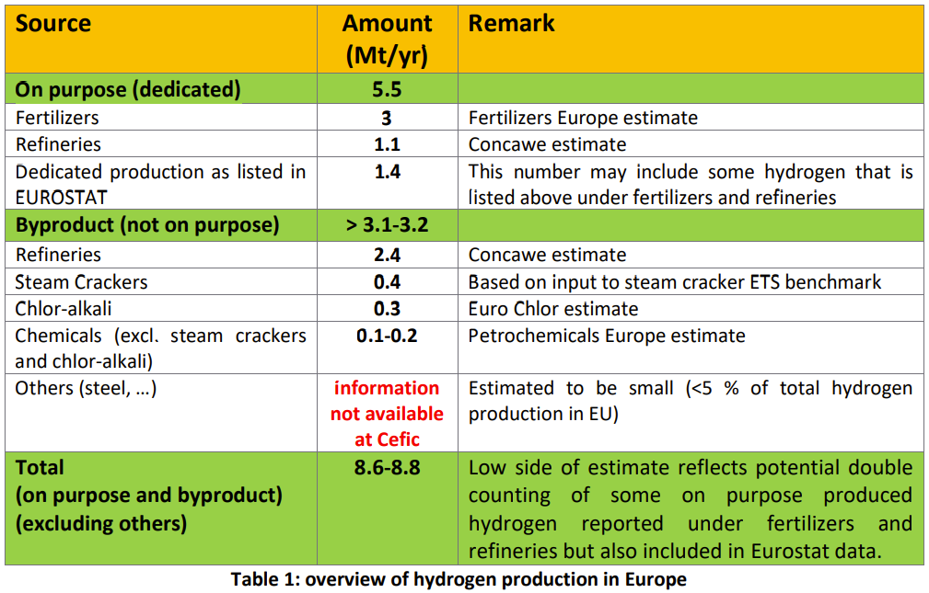

Natural Gas as Feedstock
Source | EPS Sector | H2 Demand (MMT/year) | H2 Demand (BTU/year) | Natural Gas Feedstock Consumption (BTU/year) | POx Feedstock Consumption (BTU/yr)
Fertilizers | chemicals 20 | 3 | 4.0352941176E+14 | 5.6045751634E+14
Refineries* | refined petroleum and coke 19 | 0.5 | 6.7254901961E+13 |  | 9.9636891794E+13
Refineries* | refined petroleum and coke 19 | 0.6 | 8.0705882353E+13 | 1.1209150327E+14
Dedicated production as listed in EUROSTAT** | chemicals 20 | 1.4 | 1.8831372549E+14 | 2.6154684096E+14
*** in the US model, we account for only merchant hydrogen, hence needing to classify on- vs off-site H2. Here we account for all non-byproduct H2

Hydrogen Demand [BTU] **** |  | 2019 | 2020 | 2021 | 2022 | 2023 | 2024 | 2025 | 2026 | 2027 | 2028 | 2029 | 2030 | 2031 | 2032 | 2033 | 2034 | 2035 | 2036 | 2037 | 2038 | 2039 | 2040 | 2041 | 2042 | 2043 | 2044 | 2045 | 2046 | 2047 | 2048 | 2049 | 2050
Fertilizers | chemicals 20 | 4.0352941176E+14 | 4.1013728093E+14 | 4.1489867E+14 | 4.2010222652E+14 | 4.2411322686E+14 | 4.2699023028E+14 | 4.303649037E+14 | 4.3387052868E+14 | 4.3737269202E+14 | 4.4047204774E+14 | 4.431640207E+14 | 4.4524876396E+14 | 4.4796967276E+14 | 4.50217026E+14 | 4.5251808634E+14 | 454460328132083 | 456165866987849 | 4.5856189195E+14 | 4.6084538526E+14 | 4.6332401106E+14 | 4.6561400511E+14 | 4.6815412729E+14 | 4.7073248429E+14 | 4.7385244252E+14 | 4.763678977E+14 | 4.7925112836E+14 | 4.8129077477E+14 | 4.8414606423E+14 | 4.8683609108E+14 | 489521134784638 | 4.9187848118E+14 | 4.9418294188E+14
Refineries* (SMR) | refined petroleum and coke 19 | 6.7254901961E+13 | 6.6874203827E+13 | 6.6739200411E+13 | 6.6352347524E+13 | 6.5862263205E+13 | 6.5243328835E+13 | 6.470876744E+13 | 6.4382247862E+13 | 6.3898950368E+13 | 6.3670154437E+13 | 6.3395512785E+13 | 6.2981473656E+13 | 6.2807222805E+13 | 6.2544424557E+13 | 6.2188146646E+13 | 6.1833235095E+13 | 6.1197990676E+13 | 6.0996630411E+13 | 6.0477502555E+13 | 6.0050338122E+13 | 5.9595810345E+13 | 5.9117635905E+13 | 5.8488126931E+13 | 5.8026504737E+13 | 5.7427032341E+13 | 5.6927766911E+13 | 5.6511952197E+13 | 5.6127473251E+13 | 5.5593254414E+13 | 5.5181941615E+13 | 5.4761586349E+13 | 5.4223280647E+13
Refineries* (POx) | refined petroleum and coke 19 | 8.0705882353E+13 | 8.0249044593E+13 | 8.0087040493E+13 | 7.9622817028E+13 | 7.9034715845E+13 | 7.8291994602E+13 | 7.7650520928E+13 | 7.7258697434E+13 | 7.6678740441E+13 | 7.6404185325E+13 | 7.6074615342E+13 | 7.5577768387E+13 | 7.5368667366E+13 | 7.5053309468E+13 | 7.4625775975E+13 | 7.4199882115E+13 | 7.3437588811E+13 | 7.3195956493E+13 | 7.2573003066E+13 | 7.2060405747E+13 | 7.1514972414E+13 | 7.0941163086E+13 | 7.0185752317E+13 | 6.9631805685E+13 | 6.8912438809E+13 | 6.8313320293E+13 | 6.7814342637E+13 | 6.7352967901E+13 | 6.6711905296E+13 | 6.6218329938E+13 | 6.5713903619E+13 | 6.5067936776E+13
Dedicated production as listed in EUROSTAT** | chemicals 20 | 1.8831372549E+14 | 1.8724777072E+14 | 1.8686976115E+14 | 1.8578657307E+14 | 1.8441433697E+14 | 1.8268132074E+14 | 1.8118454883E+14 | 1.8027029401E+14 | 1.7891706103E+14 | 1.7827643242E+14 | 1.775074358E+14 | 176348126235609 | 1.7586022386E+14 | 1.7512438876E+14 | 1.7412681061E+14 | 1.7313305827E+14 | 1.7135437389E+14 | 1.7079056515E+14 | 1.6933700715E+14 | 1.6814094674E+14 | 1.6686826897E+14 | 1.6552938053E+14 | 1.6376675541E+14 | 1.6247421326E+14 | 1.6079569055E+14 | 1.5939774735E+14 | 1.5823346615E+14 | 1.571569251E+14 | 1.5566111236E+14 | 1.5450943652E+14 | 1.5333244178E+14 | 1.5182518581E+14
**** although the "dedicated production" category is made by the chemicals industry, we tie its growth to refining output, as the consumer is refineries

Hydrogen Demand [BTU]
 |  | 2019 | 2020 | 2021 | 2022 | 2023 | 2024 | 2025 | 2026 | 2027 | 2028 | 2029 | 2030 | 2031 | 2032 | 2033 | 2034 | 2035 | 2036 | 2037 | 2038 | 2039 | 2040 | 2041 | 2042 | 2043 | 2044 | 2045 | 2046 | 2047 | 2048 | 2049 | 2050
 | refined petroleum and coke 19 | 1.4796078431E+14 | 1.4712324842E+14 | 1.468262409E+14 | 1.4597516455E+14 | 144896979049919 | 1.4353532344E+14 | 1.4235928837E+14 | 1.416409453E+14 | 1.4057769081E+14 | 1.4007433976E+14 | 1.3947012813E+14 | 1.3855924204E+14 | 1.3817589017E+14 | 1.3759773403E+14 | 1.3681392262E+14 | 1.3603311721E+14 | 1.3463557949E+14 | 1.341925869E+14 | 1.3305050562E+14 | 1.3211074387E+14 | 1.3111078276E+14 | 1.3005879899E+14 | 1.2867387925E+14 | 1.2765831042E+14 | 1.2633947115E+14 | 1.252410872E+14 | 1.2432629483E+14 | 1.2348044115E+14 | 1.2230515971E+14 | 1.2140027155E+14 | 1.2047548997E+14 | 1.1929121742E+14
 | chemicals 20 | 591843137254902 | 5.9738505165E+14 | 6.0176843115E+14 | 6.0588879958E+14 | 6.0852756383E+14 | 609671551015228 | 6.1154945253E+14 | 6.1414082269E+14 | 616289753051685 | 6.1874848016E+14 | 6.2067145649E+14 | 6.2159689019E+14 | 6.2382989662E+14 | 6.2534141476E+14 | 6.2664489695E+14 | 627593386399401 | 6.2752024088E+14 | 6.293524571E+14 | 6.3018239242E+14 | 631464957797512 | 6.3248227407E+14 | 633683507824757 | 6.344992397E+14 | 6.3632665578E+14 | 6.3716358825E+14 | 6.3864887571E+14 | 639524240926516 | 641302989333804 | 642497203433983 | 644030571307524 | 6.4521092296E+14 | 6.460081277E+14

non-byproduct BAU Production Shares (hydgn/BHPSbP) | 2020 | 2021 | 2022 | 2023 | 2024 | 2025 | 2026 | 2027 | 2028 | 2029 | 2030 | 2031 | 2032 | 2033 | 2034 | 2035 | 2036 | 2037 | 2038 | 2039 | 2040 | 2041 | 2042 | 2043 | 2044 | 2045 | 2046 | 2047 | 2048 | 2049 | 2050
electrolysis | 0.0% | 0.1% | 0.1% | 0.2% | 0.3% | 0.3% | 0.4% | 0.4% | 0.5% | 0.6% | 0.6% | 1.6% | 2.6% | 3.6% | 4.5% | 5.5% | 6.5% | 7.4% | 8.4% | 9.3% | 10.3% | 11.4% | 12.4% | 13.5% | 14.6% | 15.7% | 16.7% | 17.8% | 18.8% | 19.9% | 20.9%
fossil fueled (SMR/POx) | 100.0% | 99.9% | 99.9% | 99.8% | 99.7% | 99.7% | 99.6% | 99.6% | 99.5% | 99.4% | 99.4% | 98.4% | 97.4% | 96.4% | 95.5% | 94.5% | 93.5% | 92.6% | 91.6% | 90.7% | 89.7% | 88.6% | 87.6% | 86.5% | 85.4% | 84.3% | 83.3% | 82.2% | 81.2% | 80.1% | 79.1%

Reduction in Fuel Use by Industry [BTU]
 |  | 2019 | 2020 | 2021 | 2022 | 2023 | 2024 | 2025 | 2026 | 2027 | 2028 | 2029 | 2030 | 2031 | 2032 | 2033 | 2034 | 2035 | 2036 | 2037 | 2038 | 2039 | 2040 | 2041 | 2042 | 2043 | 2044 | 2045 | 2046 | 2047 | 2048 | 2049 | 2050
natural gas | refined petroleum and coke 19 | 9.3409586057E+13 | 9.2875896103E+13 | 9.2629566885E+13 | 9.2034165932E+13 | 9.1296368799E+13 | 9.0380958679E+13 | 8.9583463574E+13 | 8.9074759701E+13 | 8.8349879469E+13 | 8.7977530087E+13 | 8.7542292906E+13 | 8.6915186092E+13 | 8.5816353759E+13 | 8.4606700145E+13 | 8.3283149098E+13 | 8.1975136335E+13 | 8.0312820366E+13 | 7.9235091473E+13 | 7.7758096396E+13 | 76415752890403 | 7.5054028936E+13 | 7.3678521639E+13 | 7.2007905134E+13 | 7.0565408113E+13 | 6.8976062434E+13 | 6.7528259483E+13 | 6.6197729229E+13 | 6.4920342392E+13 | 6.3487792854E+13 | 6.2213886844E+13 | 6.0946265241E+13 | 5.9565547543E+13
natural gas | chemicals 20 | 822004357298475 | 8.2965730902E+14 | 8.352145186E+14 | 8.4039935886E+14 | 8.4352334992E+14 | 8.4457216154E+14 | 8.4663516663E+14 | 8.4968214097E+14 | 8.5211298601E+14 | 854968289473391 | 8.5707962688E+14 | 8.5781113477E+14 | 8.5236704797E+14 | 8.4592789751E+14 | 839210737074747 | 8.3202913989E+14 | 8.2352246904E+14 | 8.1753367639E+14 | 8.1024812776E+14 | 8.0355701039E+14 | 7.9653825705E+14 | 7.8976202835E+14 | 7.8116642569E+14 | 7.7382999996E+14 | 765302221845296 | 7.5757138102E+14 | 7.4913449084E+14 | 7.4176882075E+14 | 7.3373523085E+14 | 7.2610067559E+14 | 7.1807992917E+14 | 709655103570678
POx heavy oils | refined petroleum and coke 19 | 1.196E+14 | 1.189E+14 | 1.186E+14 | 1.178E+14 | 1.169E+14 | 1.157E+14 | 1.147E+14 | 1.140E+14 | 1.131E+14 | 1.126E+14 | 1.121E+14 | 1.113E+14 | 1.098E+14 | 1.083E+14 | 1.066E+14 | 1.049E+14 | 1.028E+14 | 1.014E+14 | 9.953E+13 | 9.781E+13 | 9.607E+13 | 9.431E+13 | 9.217E+13 | 9.032E+13 | 8.829E+13 | 8.644E+13 | 8.473E+13 | 8.310E+13 | 8.126E+13 | 7.963E+13 | 7.801E+13 | 7.624E+13

Assumptions
1037 | btu/cubic foot natural gas | https://www.eia.gov/tools/faqs/faq.php?id=45&t=8#:~:text=In%202020%2C%20the%20U.S.%20annual,103%2C700%20Btu%2C%20or%201.037%20therms.
37.23 | cubic foot of gas per cubic meter of H2 | https://www.epa.gov/sites/default/files/2015-02/documents/subpartp-tsd_hydrogenproduction.pdf
35.3147 | cubic feet per cubic meter
72% | SMR Conversion efficiency | https://www.nrel.gov/docs/fy14osti/60528.pdf
0.454 | kg/lb
67.5% | POX conversion efficiency | https://www.scirp.org/journal/paperinformation?paperid=90227

EU Reference Scenario 2020 Data
 | 2005 | 2010 | 2015 | 2020 | 2025 | 2030 | 2035 | 2040 | 2045 | 2050
Primary Production (incl. recovery of products) (ktoe)
Crude oil and petroleum products | 46835.295155 | 33980.781489 | 29621.706766 | 23932.177694 | 24486.084615 | 21577.737639 | 16282.076644 | 14073.40673 | 12240.111784 | 10439.036973

Carbon Capture Calculations
In the Potencia Central Scenario, the amount of energy that is used for CCS is included in the final energy consumption of the industry sector.

Source: CCS in industry sector in POTENCIA Central Scenario
Data directly requested from Joint Research Centre in May 2020

POTENCIA Central-2018 carbon capture [t CO2]
Code | Country | Sector | 2028 | 2029 | 2030 | 2031 | 2032 | 2033 | 2034 | 2035 | 2036 | 2037 | 2038 | 2039 | 2040 | 2041 | 2042 | 2043 | 2044 | 2045 | 2046 | 2047 | 2048 | 2049 | 2050
EU27 | European Union (before 2020) | Iron and Steel | 21,869 | 44,177 | 81,054 | 105,971 | 317,301 | 599,142 | 1,249,216 | 1,967,913 | 2,400,677 | 3,717,739 | 5,074,555 | 6,138,286 | 7,353,461 | 7,897,727 | 8,850,138 | 9,663,504 | 10,854,484 | 11,062,769 | 11,830,016 | 13,431,921 | 13,492,788 | 14,670,855 | 15,384,991
EU27 | European Union (before 2020) | Non-ferrous metals | 6,987 | 13,890 | 25,715 | 33,888 | 100,203 | 194,654 | 404,191 | 640,441 | 780,813 | 1,198,612 | 1,652,403 | 2,017,503 | 2,414,538 | 2,601,849 | 2,914,183 | 3,179,262 | 3,604,582 | 3,704,230 | 3,968,079 | 4,526,744 | 4,583,553 | 4,998,263 | 5,281,117
EU27 | European Union (before 2020) | Chemicals | 58,920 | 111,568 | 210,576 | 279,441 | 815,257 | 1,614,349 | 3,251,039 | 5,198,299 | 6,276,502 | 9,675,912 | 13,298,067 | 16,356,952 | 19,750,790 | 21,343,716 | 24,025,485 | 26,632,887 | 30,077,770 | 30,804,730 | 33,005,971 | 37,686,777 | 38,247,422 | 41,446,117 | 43,831,370
EU27 | European Union (before 2020) | Cement | 89,431 | 181,538 | 335,221 | 437,283 | 1,315,243 | 2,522,078 | 5,293,283 | 8,388,288 | 10,270,586 | 16,164,901 | 22,151,622 | 27,619,701 | 33,951,066 | 37,317,072 | 42,532,120 | 46,831,009 | 51,804,942 | 52,746,838 | 56,406,840 | 65,331,339 | 66,017,907 | 72,129,881 | 76,300,149
EU27 | European Union (before 2020) | Glass, ceramics & other NMM | 17,858 | 35,222 | 67,255 | 85,826 | 257,772 | 493,294 | 1,009,535 | 1,608,646 | 1,950,082 | 3,007,658 | 4,095,005 | 5,011,791 | 5,995,380 | 6,472,111 | 7,275,468 | 8,056,970 | 9,082,771 | 9,329,549 | 9,975,725 | 11,404,298 | 11,542,992 | 12,539,012 | 13,229,771

Electricity Demand for CCS in Cement, Glass, ceramics & other sectors

For the non-metallic minerals sector we assume Oxyfuel-CCS as the basic CCS technology.

Source: CCS Specific energy requirement
Potenziale und Chancen der Technologie zur CO2-Abtrennung und -Ablagerung (CCS) für industrielle Prozessemissionen (German)
https://www.oeko.de/oekodoc/1504/2012-070-de.pdf
Table 7 p. 38
Comparison of energy requirement for the whole Oxyfuel CCS Process in Industry and power plants considering energy efficiency in large-scale air separation units.

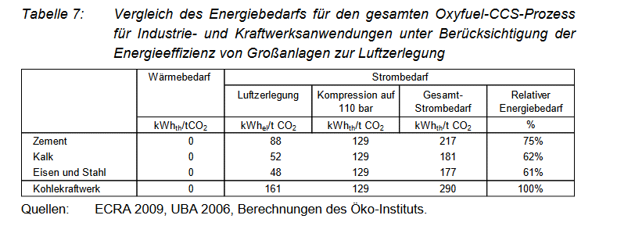

For cement and lime we retrieve the following value for the electricity consumption of oxyfuel CCS.

Total electricity consumption for Oxyfuel CCS in different sectors in kWhth/t CO2
Cement | 217
Lime | 181

We use the following conversion factor from to get from kWh to ktoe
 | 8.5984523E-08

Total electricity consumption for Oxyfuel CCS in different sectors in ktoe/t CO2
Cement | 1.8658641491E-05
Lime | 1.5563198663E-05

Total electricity consumption for Oxyfuel CCS in Cement sector and Lime and Ceramics sector in ktoe/t CO2 captured
 | 2017 | 2018 | 2019 | 2020 | 2021 | 2022 | 2023 | 2024 | 2025 | 2026 | 2027 | 2028 | 2029 | 2030 | 2031 | 2032 | 2033 | 2034 | 2035 | 2036 | 2037 | 2038 | 2039 | 2040 | 2041 | 2042 | 2043 | 2044 | 2045 | 2046 | 2047 | 2048 | 2049 | 2050
Cement | 0 | 0 | 0 | 0 | 0 | 0 | 0 | 0 | 0 | 0 | 0 | 1.7 | 3.4 | 6.3 | 8.2 | 24.5 | 47.1 | 98.8 | 156.5 | 191.6 | 301.6 | 413.3 | 515.3 | 633.5 | 696.3 | 793.6 | 873.8 | 966.6 | 984.2 | 1,052.5 | 1,219.0 | 1,231.8 | 1,345.8 | 1,423.7
Lime | 0 | 0 | 0 | 0 | 0 | 0 | 0 | 0 | 0 | 0 | 0 | 0.3 | 0.5 | 1.0 | 1.3 | 4.0 | 7.7 | 15.7 | 25.0 | 30.3 | 46.8 | 63.7 | 78.0 | 93.3 | 100.7 | 113.2 | 125.4 | 141.4 | 145.2 | 155.3 | 177.5 | 179.6 | 195.1 | 205.9

Electricity Demand for CCS in Iron and Steel, Non-ferrous metals and chemicals sector

For these sectors we assume a post-combustion CCS technology, as especially for the iron and steel sector there are large volumes of waste gases with a comparatively low CO2 concentration.
Besides, the data in the POTENCIA scenario do not indicate a change of process in the integrated steelworks, as this would be the case with HISARNA-CCS or other processes.

Source: CCS Specific energy requirement
Potenziale und Chancen der Technologie zur CO2-Abtrennung und -Ablagerung (CCS) für industrielle Prozessemissionen (German)
https://www.oeko.de/oekodoc/1504/2012-070-de.pdf
Table 5 p. 33
Comparison of energy requirement for the whole Post-Combustion-CCS Process in Industry and power plants.

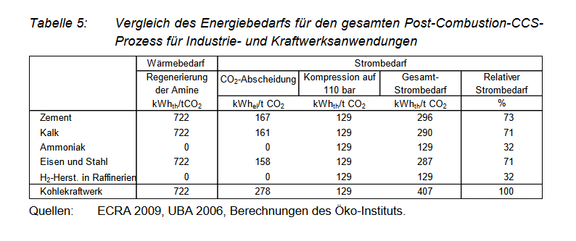

Total electricity consumption for Post-Combustion-CCS in different sectors in kWhth/t CO2
 | electricity | heat consumption for amine gas treatment
Iron and Steel | 287 | 722
Ammonia | 129 | 0

We assume that in the Iron and Steel Sector there is enough excess derived heat to supply for the heat requirement of CCS, so that no additional fuel has to be used

Total electricity consumption for Post-Combustion-CCS in Iron and Steel sector in ktoe/t CO2 captured
 | 2017 | 2018 | 2019 | 2020 | 2021 | 2022 | 2023 | 2024 | 2025 | 2026 | 2027 | 2028 | 2029 | 2030 | 2031 | 2032 | 2033 | 2034 | 2035 | 2036 | 2037 | 2038 | 2039 | 2040 | 2041 | 2042 | 2043 | 2044 | 2045 | 2046 | 2047 | 2048 | 2049 | 2050
Iron and Steel | 0.00 | 0.00 | 0.00 | 0.00 | 0.00 | 0.00 | 0.00 | 0.00 | 0.00 | 0.00 | 0.00 | 0.54 | 1.09 | 2.00 | 2.62 | 7.83 | 14.79 | 30.83 | 48.56 | 59.24 | 91.74 | 125.23 | 151.48 | 181.47 | 194.90 | 218.40 | 238.47 | 267.86 | 273.00 | 291.94 | 331.47 | 332.97 | 362.04 | 379.66

For non-ferrous metals we assume they have the same electricity requirement for CCS as iron and steel.
In reality their energy requirement for CCS would probably be higher than iron and steel, as the CO2 concentration is comparatively low, but the effect for this variable will be neglible.

Total electricity consumption for Post-Combustion-CCS in non-ferrous metals sector in ktoe/t CO2 captured
 | 2017 | 2018 | 2019 | 2020 | 2021 | 2022 | 2023 | 2024 | 2025 | 2026 | 2027 | 2028 | 2029 | 2030 | 2031 | 2032 | 2033 | 2034 | 2035 | 2036 | 2037 | 2038 | 2039 | 2040 | 2041 | 2042 | 2043 | 2044 | 2045 | 2046 | 2047 | 2048 | 2049 | 2050
Non-Ferrous Metals | 0.00 | 0.00 | 0.00 | 0.00 | 0.00 | 0.00 | 0.00 | 0.00 | 0.00 | 0.00 | 0.00 | 0.17 | 0.34 | 0.63 | 0.84 | 2.47 | 4.80 | 9.97 | 15.80 | 19.27 | 29.58 | 40.78 | 49.79 | 59.58 | 64.21 | 71.91 | 78.46 | 88.95 | 91.41 | 97.92 | 111.71 | 113.11 | 123.34 | 130.33

Chemicals
Based on the following table we make assumptions on the energy requirement for the 3 most CO2-intensive chemical processes
The main CO2-intensive chemical processes are steam methane reforming for the production of hydrogen/syngas or ammonia, and steam crackers

Source: Energy Efficiency and and GHG emissions: Prospective Scenarios for the Chemical and Petrochemical Industry
Joint Research Centre 2017
https://publications.jrc.ec.europa.eu/repository/bitstream/JRC105767/kj-na-28471-enn.pdf
Table 15, p. 33

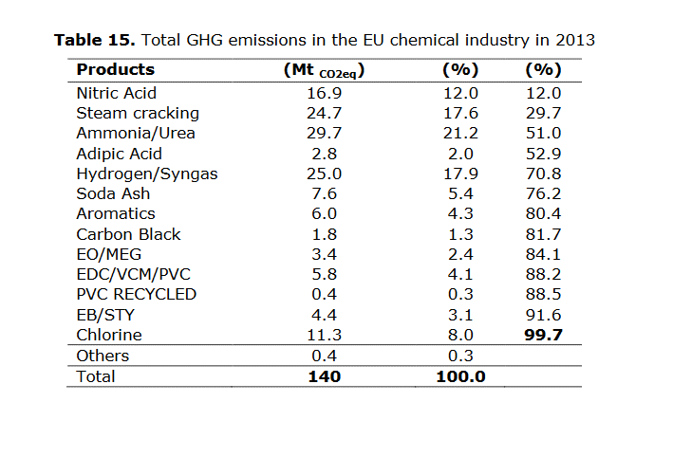

Based on the table the share of emissions of these three sectors are as follows

 | Mt of CO2e | Percentage
TOTAL three processes | 79.4 | 100%
hydrogen/syngas | 25 | 31%
Ammonia | 29.7 | 37%
Steam cracking/CHP plants | 24.7 | 31%

Because of the similarity of the process including methane steam reforming, we assume that the electricity requirement for CCS is the same of ammonia and hydrogen production

Total electricity consumption for Post-Combustion-CCS in Chemical sector for ammonia in ktoe/t CO2 captured
 | 2017 | 2018 | 2019 | 2020 | 2021 | 2022 | 2023 | 2024 | 2025 | 2026 | 2027 | 2028 | 2029 | 2030 | 2031 | 2032 | 2033 | 2034 | 2035 | 2036 | 2037 | 2038 | 2039 | 2040 | 2041 | 2042 | 2043 | 2044 | 2045 | 2046 | 2047 | 2048 | 2049 | 2050
hydrogen/syngas | 0.00 | 0.00 | 0.00 | 0.00 | 0.00 | 0.00 | 0.00 | 0.00 | 0.00 | 0.00 | 0.00 | 0.21 | 0.39 | 0.74 | 0.98 | 2.85 | 5.64 | 11.35 | 18.15 | 21.92 | 33.79 | 46.44 | 57.13 | 68.98 | 74.54 | 83.91 | 93.01 | 105.04 | 107.58 | 115.27 | 131.62 | 133.58 | 144.75 | 153.08
ammonia | 0.00 | 0.00 | 0.00 | 0.00 | 0.00 | 0.00 | 0.00 | 0.00 | 0.00 | 0.00 | 0.00 | 0.24 | 0.46 | 0.87 | 1.16 | 3.38 | 6.70 | 13.49 | 21.57 | 26.04 | 40.15 | 55.17 | 67.87 | 81.95 | 88.56 | 99.68 | 110.50 | 124.79 | 127.81 | 136.94 | 156.36 | 158.69 | 171.96 | 181.86

As it was difficult to find data for the the energy requirement of CCS in steam cracking we just assume that the remaining CCS in the chemical sector is done in industrial CHP plants of the chemical industry

CCS Energy Requirement for industrial CHP plants

Source: David, Jeremy and Howard Herzog
unknown (sometime after 2012)
The Cost of Carbon Capture
http://sequestration.mit.edu/pdf/David_and_Herzog.pdf
Table 2

The cost of carbon capture
Cycle | IGCC | IGCC | PC | PC | NGCC | NGCC
Data Description | 2000 | 2012 | 2000 | 2012 | 2000 | 2012
Input
Capital Cost, $/kW | 1401 | 1145 | 1150 | 1095 | 542 | 525
O&M, mills/kWh | 7.9 | 6.1 | 7.4 | 6.1 | 2.5 | 2.4
Heat Rate (LHV), Btu/kWh | 8081 | 7137 | 8277 | 8042 | 6201 | 5677
Incremental Capital Cost, $/(kg/h) | 305 | 275 | 529 | 476 | 921 | 829
Incremental O&M, mills/kg | 2.65 | 2.39 | 5.56 | 5 | 5.2 | 4.68
Energy Requirements, kWh/kg | 0.194 | 0.135 | 0.317 | 0.196 | 0.354 | 0.297

We assume that most industrial CHP plants in the chemical industry are natural gas-fired thermal power plants and therefore use data for NGCC (Natural Gas Combined Cycle).

CCS Energy Requirement for industrial CHP in KWh/ t CO2
Industrial CHP Plant | 297

Total natural gas consumption for Post-Combustion-CCS in Chemical sector for Industrial CHP in ktoe/t CO2 captured

 | 2017 | 2018 | 2019 | 2020 | 2021 | 2022 | 2023 | 2024 | 2025 | 2026 | 2027 | 2028 | 2029 | 2030 | 2031 | 2032 | 2033 | 2034 | 2035 | 2036 | 2037 | 2038 | 2039 | 2040 | 2041 | 2042 | 2043 | 2044 | 2045 | 2046 | 2047 | 2048 | 2049 | 2050
Industrial CHP | 0 | 0 | 0 | 0 | 0 | 0 | 0 | 0 | 0 | 0 | 0 | 0.47 | 0.89 | 1.67 | 2.22 | 6.48 | 12.82 | 25.83 | 41.30 | 49.86 | 76.87 | 105.64 | 129.94 | 156.91 | 169.56 | 190.86 | 211.58 | 238.95 | 244.72 | 262.21 | 299.39 | 303.85 | 329.26 | 348.21

